EcoRRAP Naming Structure
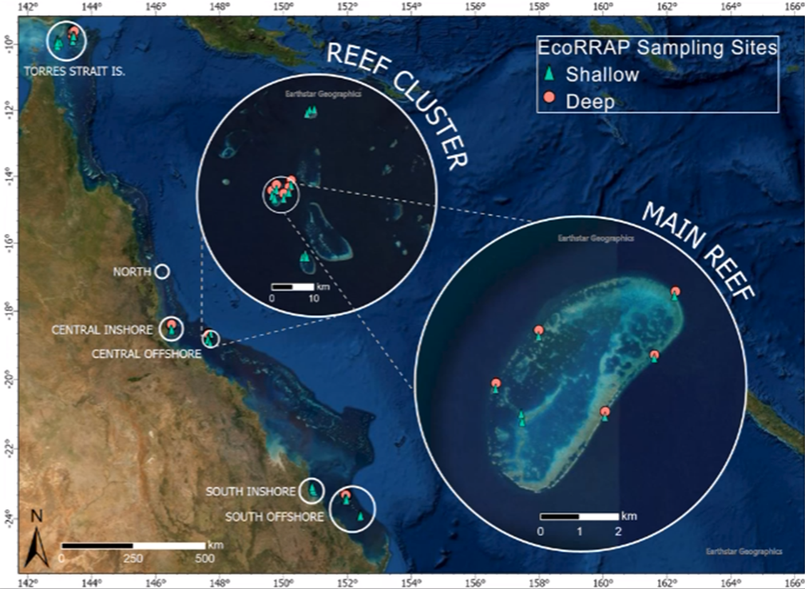
EcoRRAP Naming Structure

Rank | Factor | Levels | Replication | Comment
1 | Reef cluster | Torres strait | NA
 |  | Offshore Northern
 |  | Offshore Central
 |  | Inshore Central
 |  | Offshore Southern
 |  | Inshore Southern
2 | Reef | Main | 1 Main reef per Reef cluster | See reef names in next tab
 |  | Additional | 1-2 Additional Reefs per Reef cluster
3 | Site | Reef front | 1-2 of each Site per Reef*
 |  | Reef flank
 |  | Reef back
 |  | Lagoon
4 | Zone | Shallow (5 m) | Main Reef: 1 Shallow and 1 Deep per Site* | 1000 square m in size
 |  | Deep (12 m) | Additional Reef: 1 Shallow per Site
5 | Plot | 1 (Named L-R facing toward shallows) | 4 Plots per Zone | 72 square m in size
 |  | 2
 |  | 3
 |  | 4
* In some locations this was not possible due to the geographic nature of the reef, e.g. Some reefs did not possess a lagoon so therefore could not be sampled, while some sites did not have suitable habitats or depths to establish deep zones.

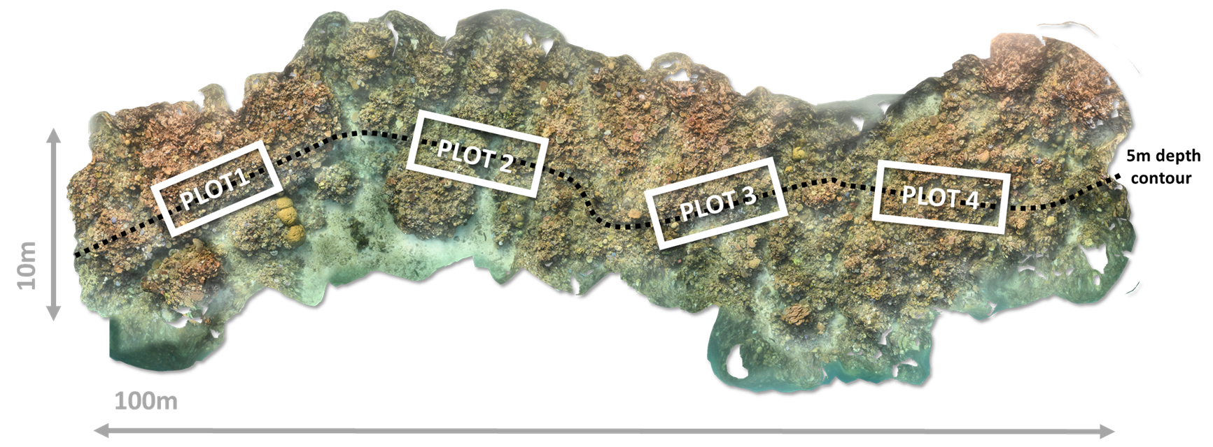
Names under review

Example of full struture
Full: Offshore Central > Davies Reef > Reef Front > Shallow > Plot 1
Plot code: OCDA_FR1S_P1

